工作表1
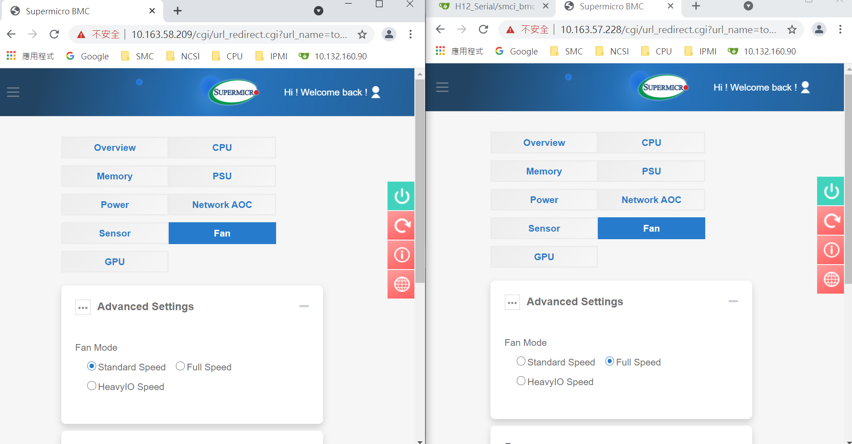
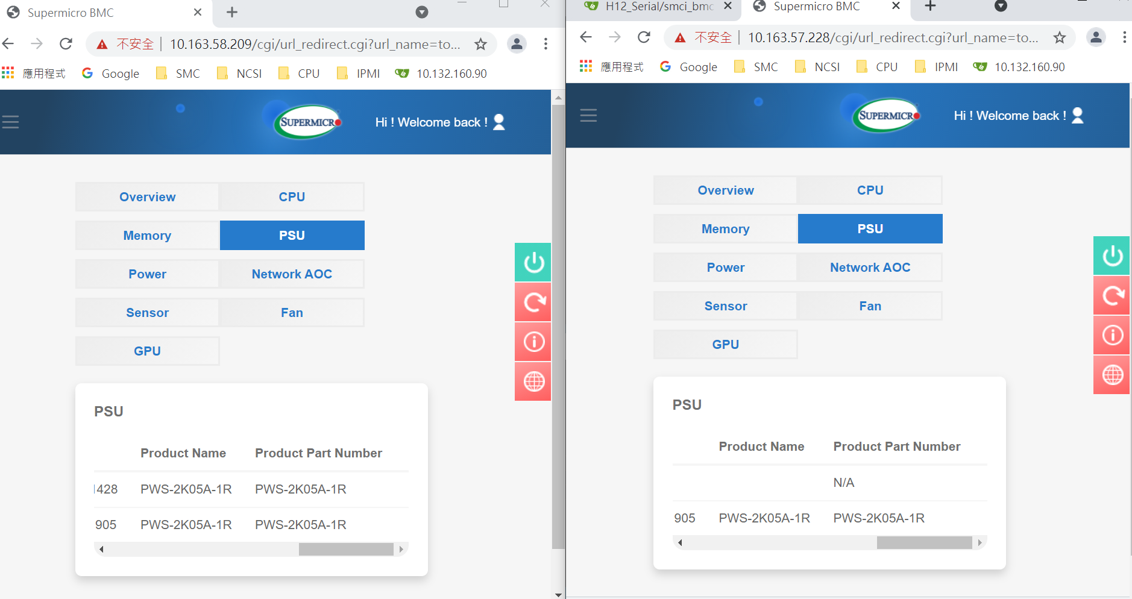
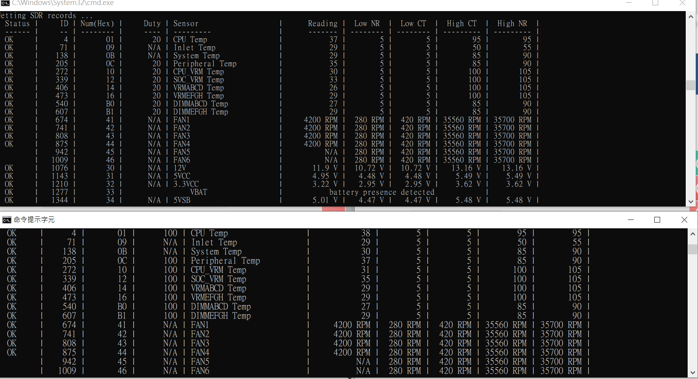
Duty | Converted Value Dec | Converted Value Hex
20 | 51 | 33
50 | 127.5 | 7F
100 | 255 | FF

